Sheet1
IMAGE | SKU | PRODUCT NAME | XS | S | M | L | XL | XXL | TOTAL
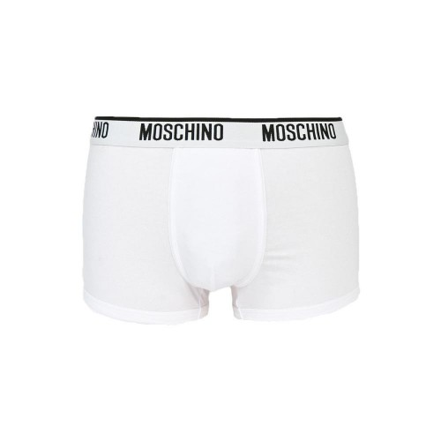 | MCB4722-001 | Moschino Men's Low Rise Trunk Underwear |  |  | 14 |  | 495 | 405 | 914
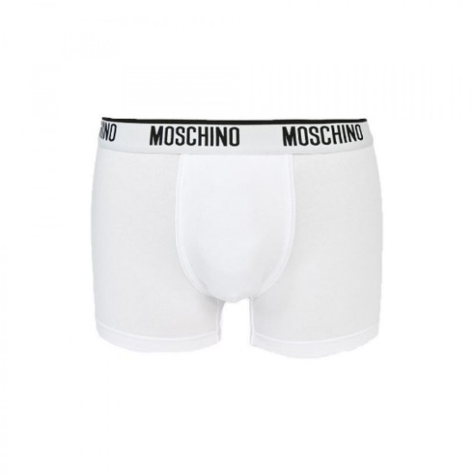 | MCB4721-001 | Moschino Men's White Trunk Underwear |  |  |  | 28 | 713 | 303 | 1044
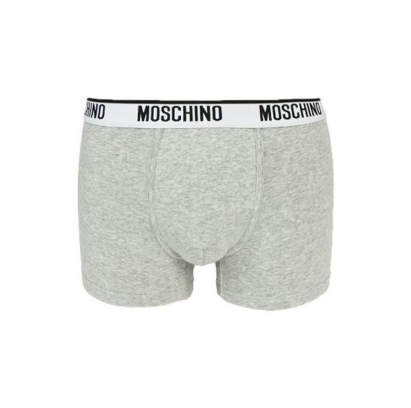 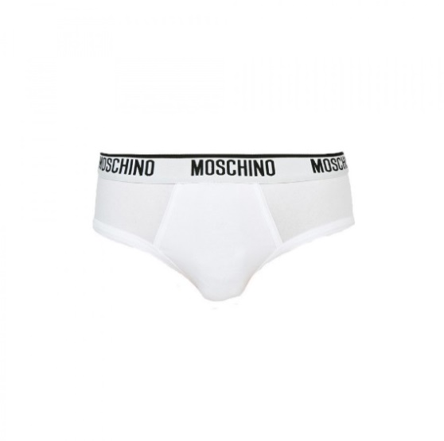 | MCB4720-001 | Moschino Men's White Brief Underwear |  |  |  |  | 407 | 255 | 662
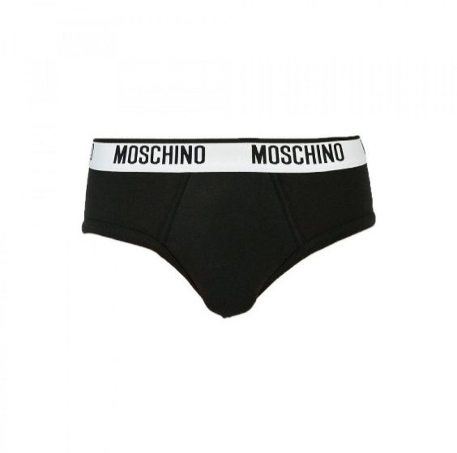 | MCB4720-555 | Moschino Men's Black Brief Underwear |  |  |  |  | 315 | 278 | 593
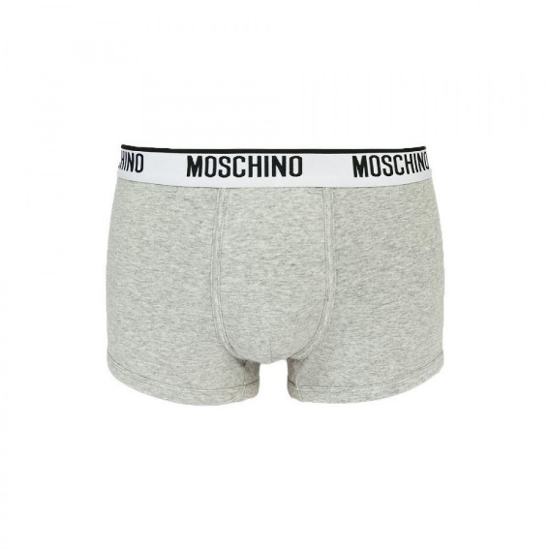 | MCB4722-489 | Moschino Men's Low Rise Trunk Underwear |  |  |  |  | 578 | 400 | 978
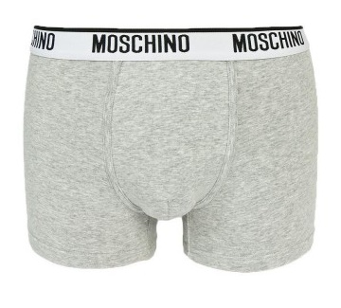 | MCB4721-489 | Moschino Men's Grey Trunk Underwear |  |  |  |  | 490 | 396 | 886
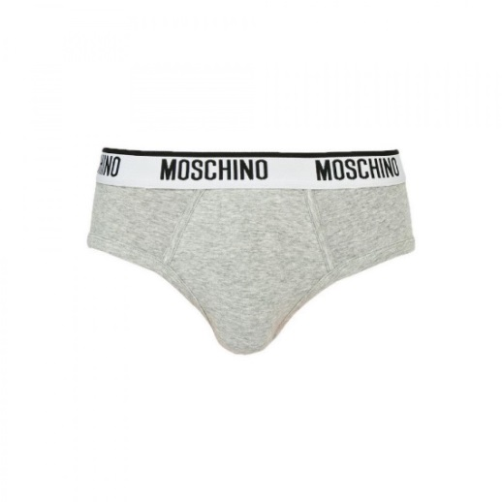 | MCB4720-489 | Moschino Men's Grey Brief Underwear |  |  |  |  | 416 | 280 | 696
 |  |  |  |  |  |  |  |  | 5773

